Data
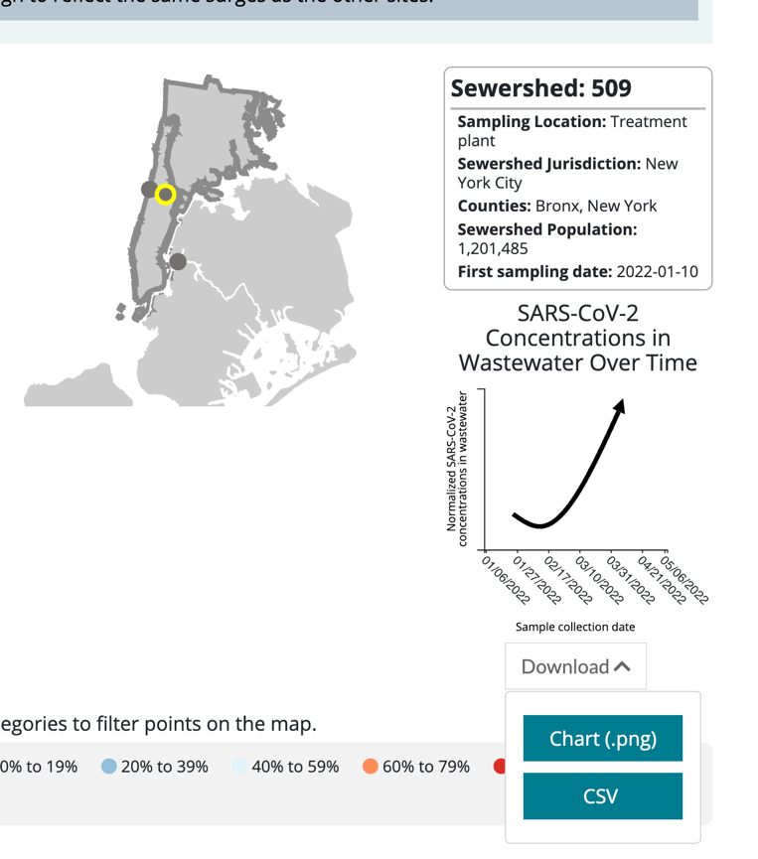
Date | NYC 7-day cases/100K | cases normalized to 4/5/22 | NYC Positivity 7-day avg | NYC Hosp 7-day avg (retrieve 2 wks after date) | Hosp normalized to 4/5 | Nassau 836 levels (CDC) | Nassau normalized to 4/5 | Bronx/ Manhattan 509 levels (CDC) | Rockland 838 Intensity from https://mbcolli.shinyapps.io/SARS2EWSP/ | Rockland normalized to 4/5 | Rockland 838 from CDC | Rockland normalized | Bronx/Manhattan Wards Island per capita load (NYC) | WI normalized to 4/5 | NYC Schools Survey % pos |  | https://covid.cdc.gov/covid-data-tracker/#wastewater-surveillance
2022-04-05 | 145 | 1.00 |  | 37 | 1.00 | 12568092.134 | 1.00 | 30443087.213 | 0.21 | 1.00 | 6558254.35 | 1.00 | 3,550,000.00 | 1.00 |  |  | https://www1.nyc.gov/site/doh/covid/covid-19-data.page
2022-04-26 |  |  |  |  |  | 13042825.322 | 1.04 |  | 0.309 | 1.47 | 27588777.5 | 4.21 | 5,120,000.00 | 1.44 |  |  | https://testingresults.schools.nyc/
2022-04-27 | 221 | 1.52 |  | 68 | 1.84 | 12850724.582 | 1.02 |  |  |  | 29090904.1 | 4.44 |  |  |  |  | https://data.cityofnewyork.us/Health/SARS-CoV-2-concentrations-measured-in-NYC-Wastewat/f7dc-2q9f/data
2022-04-30 | 247 | 1.70 |  | 71 | 1.92 | 12292969.709 | 0.98 |  |  |  | 33587948.2 | 5.12
2022-05-06 | 283 | 1.95 |  | 75 | 2.03 | 11394705.431 | 0.91 |  |  |  | 42293174 | 6.45
2022-05-10 | 268 | 1.85 | 8.14 | 83 | 2.24 | 11144307.493 | 0.89 |  | 0.383 | 1.82 | 45886023.6 | 7.00 |  |  | 1.34
2022-05-11 |  |  |  |  |  | 11154633.116 | 0.89 |  |  |  | 45886023.6 | 7.00 |  |  |  |  | See also:
2022-05-13 | 329 | 2.27 |  |  |  | 11275287.39 | 0.90 |  |  |  | 45780625.5 | 6.98 |  |  | 1.74 |  | https://mbcolli.shinyapps.io/SARS2EWSP/#
2022-05-15 |  |  |  | 95 | 2.57 | 11499278.17 | 0.91 |  |  |  | 44541489.7 | 6.79
2022-05-18 |  |  |  |  |  | 11940397.613 | 0.95 |  |  |  | 41322458 | 6.30 |  |  | 1.48 |  | https://biobot.io/data/
2022-05-20 | 342 | 2.36 | 9.5 |  |  | 13433914.476 | 1.07 |  |  |  | 38538433.2 | 5.88 |  |  | 1.35
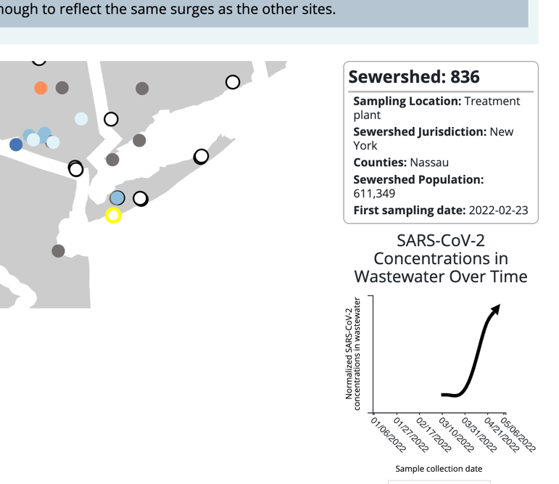
2022-05-24 | 348.7 | 2.40 | 9.26 | 102 | 2.76 | 13016328.441 | 1.04 |  |  |  | 32336176.8 | 4.93 | 6060000 | 1.71
2022-05-25 |  |  |  | 106 | 2.86 | 13254007.637 | 1.05 |  |  |  | 30765067.3 | 4.69
2022-05-26 |  |  |  | 112 | 3.03 | 17320122.539 | 1.38 |  | 0.418 | 1.99 | 29186364 | 4.45 |  |  | 1.5
2022-05-27 |  |  | 9.16 |  |  | 17955105.048 | 1.43 |  |  |  | 27597775.4 | 4.21
2022-05-31 |  |  |  |  |  | 20834967.941 | 1.66 |  | 0.235 | 1.12 | 21512313.3 | 3.28 | 5860000 | 1.65
2022-06-01 |  |  |  |  |  | 15849714.834 | 1.26 |  |  |  | 20158654.5 | 3.07
2022-06-03 |  |  |  | 79 | 2.14 | 23295957.565 | 1.85 |  |  |  | 17730331 | 2.70 |  |  | 1.9
2022-06-05 |  |  |  |  |  | 24940591.415 | 1.98 |  |  |  | 15694270.9 | 2.39 | 4970000 | 1.40
2022-06-06 | 251 | 1.73 | 8.08 |  |  | 18937090.69 | 1.51 |  | 0.288 | 1.37 | 14830941.2 | 2.26
2022-06-08 |  |  |  |  |  | 26473629.5 | 2.11 |  |  |  | 13416420 | 2.05 |  |  | 0.65
2022-06-09 | 289.6 | 2.00 | 7.57 | 93 | 2.51 | 27469675 | 2.19 |  |  |  | 12854169.2 | 1.96
2022-06-15 |  |  |  |  |  | 32411031.3 | 2.58 |  |  |  | 11113348.9 | 1.69 |  |  | 0.97
2022-06-16 | 239.84 | 1.65 | 8.06 |  |  | 32959001.4 | 2.62 |  |  |  | 11037939.3 | 1.68
2022-06-21 |  |  |  |  |  | 35026149.1 | 2.79 |  | 0.125 | 0.60 | 11510163.1 | 1.76
2022-06-22 | 242.97 | 1.68 | 7.64 | 113 | 3.05 | 35470182.2 | 2.82 |  |  |  | 11790377.6 | 1.80 |  |  | 0.92 | *school = 7-day avg
2022-06-28 |  |  |  | 116 | 3.14 | 39272462.1 | 3.12 |  |  |  | 14103225.2 | 2.15 | 4380000 | 1.23
2022-06-29 |  |  |  | 112 | 3.03 | 40046682.3 | 3.19 |  |  |  | 14470246.3 | 2.21
2022-07-01 |  |  |  | 114 | 3.08 | 41613627.7 | 3.31 |  |  |  | 15143270.1 | 2.31
2022-07-03 |  |  |  | 114 | 3.08 | 42934273 | 3.42 |  |  |  | 15777815.2 | 2.41
2022-07-06 | 301.1 | 2.08 | 13.9 | 120 | 3.24 | 43698556.6 | 3.48 |  |  |  | 16770042.1 | 2.56
2022-07-08 | 297.3 | 2.05 | 15.4 |  |  | 43004130.8 | 3.42 |  |  |  | 17520623 | 2.67
2022-07-11 | 313.42 | 2.16 | 15.1 |  |  | 40577518.8 | 3.23 |  |  |  | 18759028.8 | 2.86
2022-07-12 | 334.88 | 2.31 | 15.2 |  |  | 39558046.8 | 3.15 |  |  |  | 19188922.9 | 2.93
2022-07-15 | 373.96 | 2.58 | 14.9
2022-07-18 | 362.49 | 2.50 | 14.5
2022-07-20 | 367.75 | 2.54 | 14.5

Charts
Confirmed Cases, Hospitalizations
 | NYC 7-day cases/100K | NYC Hosp 7-day avg
4/5/2022 | 145 | 37
4/26/2022
4/27/2022 | 221 | 68
4/30/2022 | 247 | 71
5/6/2022 | 283 | 75
5/10/2022 | 268 | 83
5/11/2022
5/13/2022 | 329
5/15/2022 |  | 95
5/18/2022
5/20/2022 | 342
5/24/2022 | 348.7 | 102
5/25/2022 |  | 106
5/26/2022 |  | 112
5/27/2022
5/31/2022
6/1/2022
6/3/2022 |  | 79
6/5/2022
6/6/2022 | 251
6/8/2022
6/9/2022 | 289.6 | 93
6/15/2022
6/16/2022 | 239.84
6/21/2022
6/22/2022 | 242.97 | 113
6/28/2022 |  | 116
6/29/2022 |  | 112
7/1/2022 |  | 114
7/3/2022 |  | 114
7/6/2022 | 301.1 | 120
7/8/2022 | 297.3
7/11/2022 | 313.42
7/12/2022 | 334.88
7/15/2022 | 373.96
7/18/2022 | 362.49
7/20/2022 | 367.75
Confirmed Cases, Positivity
 | NYC 7-day cases/100K | NYC Positivity 7-day avg | NYC Schools Survey % pos
4/5/2022 | 145
4/26/2022
4/27/2022 | 221
4/30/2022 | 247
5/6/2022 | 283
5/10/2022 | 268 | 8.14 | 1.34
5/11/2022
5/13/2022 | 329 |  | 1.74
5/15/2022
5/18/2022 |  |  | 1.48
5/20/2022 | 342 | 9.5 | 1.35
5/24/2022 | 348.7 | 9.26
5/25/2022
5/26/2022 |  |  | 1.5
5/27/2022 |  | 9.16
5/31/2022
6/1/2022
6/3/2022 |  |  | 1.9
6/5/2022
6/6/2022 | 251 | 8.08
6/8/2022 |  |  | 0.65
6/9/2022 | 289.6 | 7.57
6/15/2022 |  |  | 0.97
6/16/2022 | 239.84 | 8.06
6/21/2022
6/22/2022 | 242.97 | 7.64 | 0.92
6/28/2022
6/29/2022
7/1/2022
7/3/2022
7/6/2022 | 301.1 | 13.9
7/8/2022 | 297.3 | 15.4
7/11/2022 | 313.42 | 15.1
7/12/2022 | 334.88 | 15.2
7/15/2022 | 373.96 | 14.9
7/18/2022 | 362.49 | 14.5
7/20/2022 | 367.75 | 14.5
Cases & Hospitalizations
 | NYC 7-day cases/100K |  | NYC Hosp 7-day avg |  | NYC Schools Positivity |  | NYC Positivity 7-day avg
4/5/2022 | 1.00 | 4/5/2022 | 1.00 | 4/5/2022 |  | 4/5/2022
4/26/2022 |  | 4/26/2022 |  | 4/26/2022 |  | 4/26/2022
4/27/2022 | 1.52 | 4/27/2022 | 1.84 | 4/27/2022 |  | 4/27/2022
4/30/2022 | 1.70 | 4/30/2022 | 1.92 | 4/30/2022 |  | 4/30/2022
5/6/2022 | 1.95 | 5/6/2022 | 2.03 | 5/6/2022 |  | 5/6/2022
5/10/2022 | 1.85 | 5/10/2022 | 2.24 | 5/10/2022 | 1.34 | 5/10/2022 | 8.14
5/11/2022 |  | 5/11/2022 |  | 5/11/2022 |  | 5/11/2022
5/13/2022 | 2.27 | 5/13/2022 |  | 5/13/2022 | 1.74 | 5/13/2022
5/15/2022 |  | 5/15/2022 | 2.57 | 5/15/2022 |  | 5/15/2022
5/18/2022 |  | 5/18/2022 |  | 5/18/2022 | 1.48 | 5/18/2022
5/20/2022 | 2.36 | 5/20/2022 |  | 5/20/2022 | 1.35 | 5/20/2022 | 9.5
5/24/2022 | 2.40 | 5/24/2022 | 2.76 | 5/24/2022 |  | 5/24/2022 | 9.26
5/25/2022 |  | 5/25/2022 | 2.86 | 5/25/2022 |  | 5/25/2022
5/26/2022 |  | 5/26/2022 | 3.03 | 5/26/2022 | 1.5 | 5/26/2022
5/27/2022 |  | 5/27/2022 |  | 5/27/2022 |  | 5/27/2022 | 9.16
5/31/2022 |  | 5/31/2022 |  | 5/31/2022 |  | 5/31/2022
6/1/2022 |  | 6/1/2022 |  | 6/1/2022 |  | 6/1/2022
6/3/2022 |  | 6/3/2022 | 2.14 | 6/3/2022 | 1.9 | 6/3/2022
6/5/2022 |  | 6/5/2022 |  | 6/5/2022 |  | 6/5/2022
6/6/2022 | 1.73 | 6/6/2022 |  | 6/6/2022 |  | 6/6/2022 | 8.08
6/8/2022 |  | 6/8/2022 |  | 6/8/2022 | 0.65 | 6/8/2022
6/9/2022 | 2.00 | 6/9/2022 | 2.51 | 6/9/2022 |  | 6/9/2022 | 7.57
6/15/2022 |  | 6/15/2022 |  | 6/15/2022 | 0.97 | 6/15/2022
6/16/2022 | 1.65 | 6/16/2022 |  | 6/16/2022 |  | 6/16/2022 | 8.06
6/21/2022 |  | 6/21/2022 |  | 6/21/2022 |  | 6/21/2022
6/22/2022 | 1.68 | 6/22/2022 | 3.05 | 6/22/2022 | 0.92 | 6/22/2022 | 7.64
6/28/2022 |  | 6/28/2022 | 3.14
6/29/2022 |  | 6/29/2022 | 3.03
7/1/2022 |  | 7/1/2022 | 3.08
7/3/2022 |  | 7/3/2022 | 3.08
7/6/2022 | 2.08 | 7/6/2022 | 3.24 |  |  |  | 13.9
7/8/2022 | 2.05 | 7/8/2022 |  |  |  |  | 15.4
7/11/2022 | 2.16 | 7/11/2022 |  |  |  |  | 15.1
7/12/2022 | 2.31 | 7/12/2022 |  |  |  |  | 15.2
7/15/2022 | 2.58 | 7/15/2022 |  |  |  |  | 14.9
7/18/2022 | 2.50 | 7/18/2022 |  |  |  |  | 14.5
 | 2.54 |  |  |  |  |  | 14.5

Wastewater
 | Rockland wastewater | Nassau wastewater | Bx/Manhattan wastewater
4/5/2022 | 1.00 | 1.00 | 1.00
4/26/2022 | 4.21 | 1.04 | 1.44
4/27/2022 | 4.44 | 1.02
4/30/2022 | 5.12 | 0.98
5/6/2022 | 6.45 | 0.91
5/10/2022 | 7.00 | 0.89
5/11/2022 | 7.00 | 0.89
5/13/2022 | 6.98 | 0.90
5/15/2022 | 6.79 | 0.91
5/18/2022 | 6.30 | 0.95
5/20/2022 | 5.88 | 1.07
5/24/2022 | 4.93 | 1.04 | 1.71
5/25/2022 | 4.69 | 1.05
5/26/2022 | 4.45 | 1.38
5/27/2022 | 4.21 | 1.43
5/31/2022 | 3.28 | 1.66 | 1.65
6/1/2022 | 3.07 | 1.26
6/3/2022 | 2.70 | 1.85
6/5/2022 | 2.39 | 1.98 | 1.40
6/6/2022 | 2.26 | 1.51
6/8/2022 | 2.05 | 2.11
6/9/2022 | 1.96 | 2.19
6/15/2022 | 1.69 | 2.58
6/16/2022 | 1.68 | 2.62
6/21/2022 | 1.76 | 2.79
6/22/2022 | 1.80 | 2.82
6/28/2022 | 2.15 | 3.12 | 1.23
6/29/2022 | 2.21 | 3.19
7/1/2022 | 2.31 | 3.31
7/3/2022 | 2.41 | 3.42
7/6/2022 | 2.56 | 3.48
7/8/2022 | 2.67 | 3.42
7/11/2022 | 2.86 | 3.23
7/12/2022 | 2.93 | 3.15
7/15/2022
7/18/2022
7/20/2022

